Search_Strategy
Detailed Search Strategy
Document the complete, reproducible search process. Keep the exact query used for every database.

Protocol Item | Value | Guidance
Search Objective | Mengidentifikasi studi yang mengusulkan, mengevaluasi, atau membandingkan arsitektur world model berbasis JEPA dan generatif pada domain video dan simulasi digital, dengan fokus pada tiga tugas hilir (downstream tasks): video/frame prediction, representation probing untuk pemahaman visual/aksi, dan planning/control pada simulasi digital (model-based RL). | State what the search is designed to identify.
Search Period | Januari 2018 - September 2026 | Example: January 2018 – December 2026
Search Date(s) | Akan dicatat saat pelaksanaan pencarian (tahap Conducting), direncanakan pada minggu pertama setelah protokol ini disetujui | Record actual search dates.
Search Queries | ("world model" OR "world models" OR "learned dynamics model" OR "latent dynamics model") AND ("JEPA" OR "joint embedding predictive architecture" OR "I-JEPA" OR "V-JEPA" OR "generative world model" OR "diffusion world model" OR "autoregressive world model") AND ("video prediction" OR "frame prediction" OR "action recognition" OR "probing" OR "planning" OR "model-based RL" OR "model-based reinforcement learning" OR "interactive simulation" OR "virtual environment") | Example: ("intrution detection" OR "intrution detection system" OR "IDS") AND ("machine learning" OR "deep learning")
Publication Type | Hanya artikel jurnal ilmiah (peer-reviewed journal articles). Prosiding konferensi, naskah preprint (arXiv), buku, bab buku, editorial, dan laporan teknis ditolak. | Journal articles, conference papers, etc.
Snowballing | Both (backward dan forward snowballing) dari artikel rujukan kunci (mis. Ha & Schmidhuber, 2018; LeCun, 2022; Assran et al., 2023; Bardes et al., 2024) khusus untuk melacak artikel jurnal ilmiah yang mensitasi atau disitasi oleh karya perintis tersebut. | Backward / forward / both / none
Other Search Methods | Pencarian komplementer melalui Google Scholar untuk melacak artikel jurnal yang belum terindeks di basis data utama; penelusuran manual (hand-searching) pada arsip jurnal terbitan IEEE, ACM, dan ScienceDirect. | Hand-searching, grey literature, websites, etc.

Database Search Log (diisi saat proses conducting)
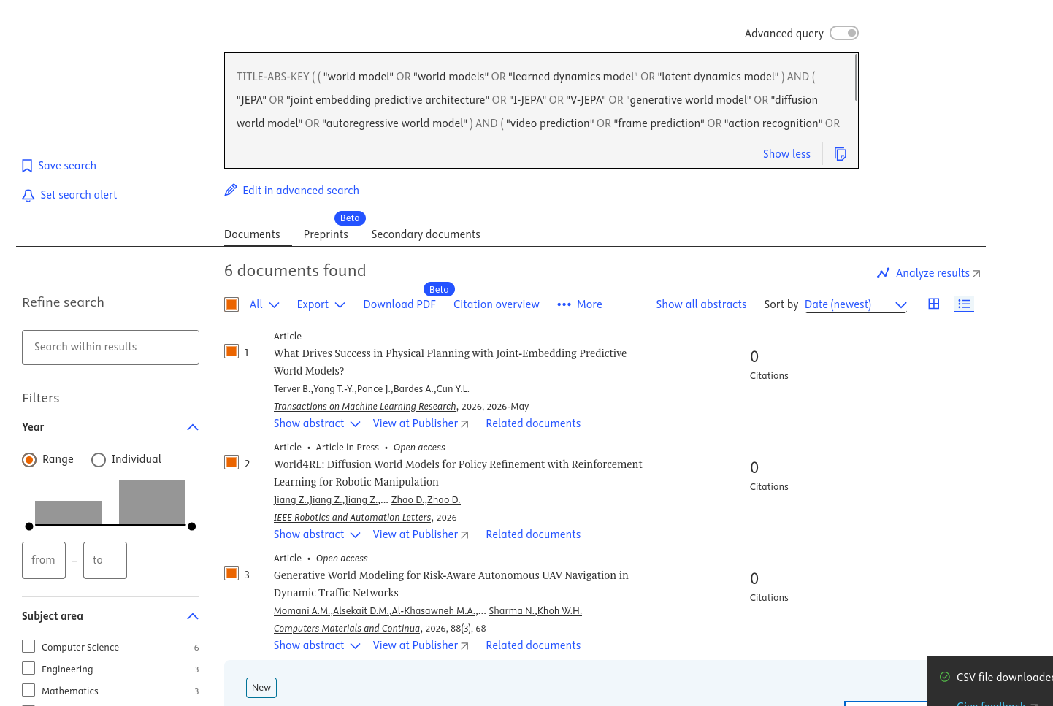
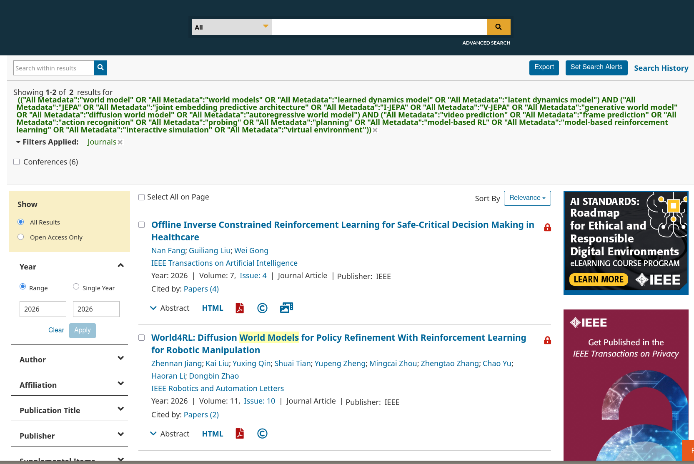
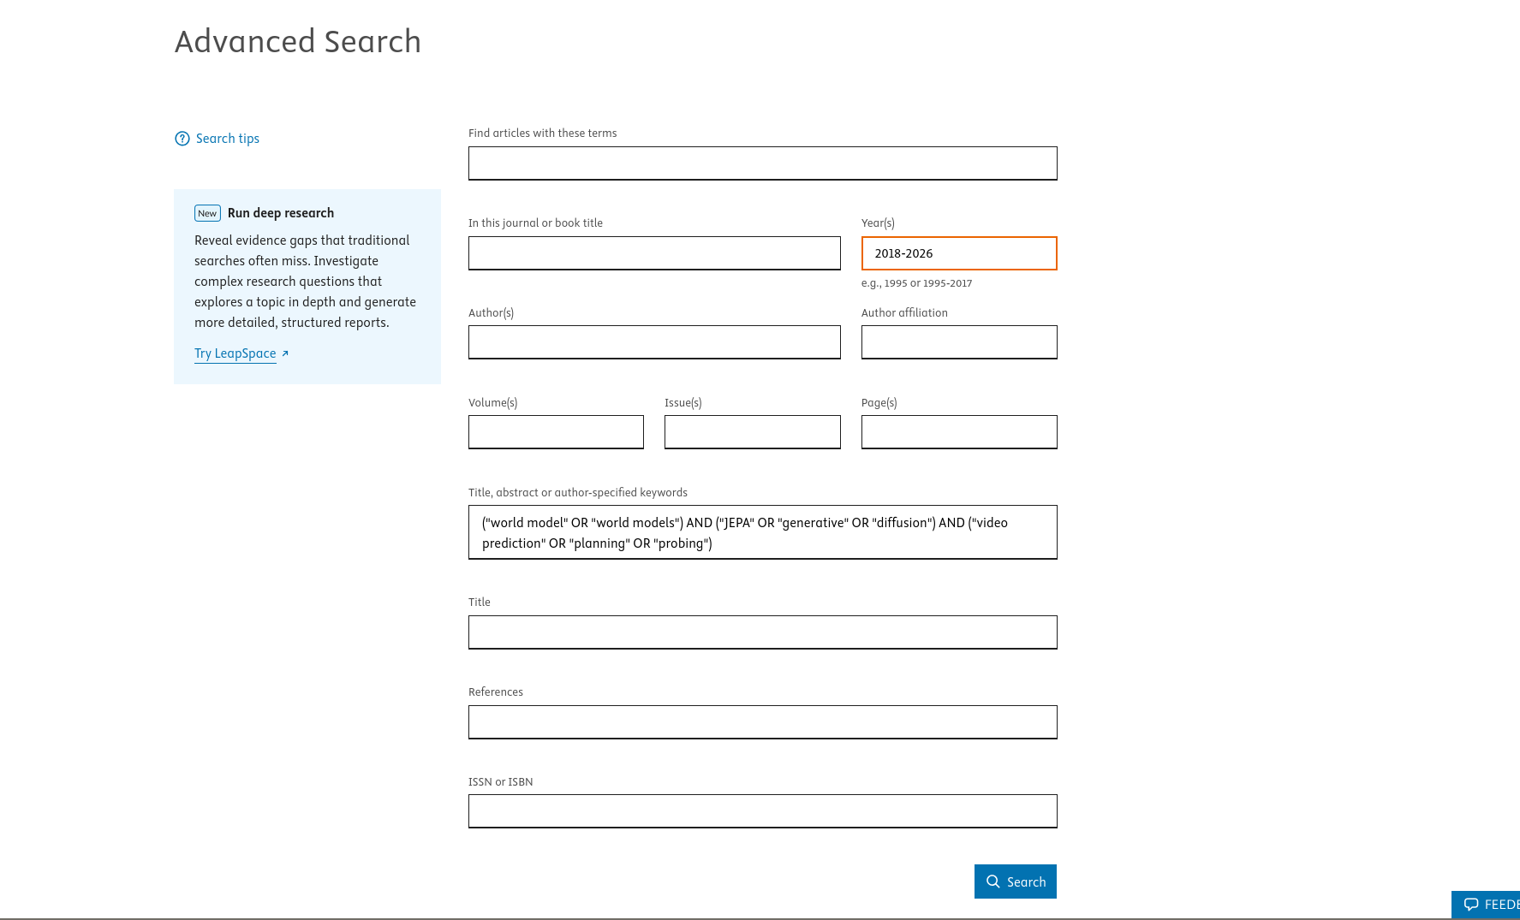
Database/Source | Platform/URL | Search Date | Exact Search String | Filters / Limits | Results Returned (number of papers) | Notes
Scopus | https://www.scopus.com | 2026-09-17 | TITLE-ABS-KEY ( ( "world model" OR "world models" OR "learned dynamics model" OR "latent dynamics model" ) AND ( "JEPA" OR "joint embedding predictive architecture" OR "I-JEPA" OR "V-JEPA" OR "generative world model" OR "diffusion world model" OR "autoregressive world model" ) AND ( "video prediction" OR "frame prediction" OR "action recognition" OR "probing" OR "planning" OR "model-based RL" OR "model-based reinforcement learning" OR "interactive simulation" OR "virtual environment" ) ) AND PUBYEAR > 2017 AND PUBYEAR < 2027 AND DOCTYPE ( ar ) AND LANGUAGE ( english ) | Terintegrasi dalam query string (Years: 2018–2026; Language: English; Document Type: Article) | 6 | Pencarian studi primer jurnal ilmiah peer-reviewed; difokuskan pada tiga downstream tasks sesuai protokol. Ditemukan 6 artikel jurnal yang relevan.
IEEE Xplore | https://ieeexplore.ieee.org | 2026-09-17 | ("All Metadata":"world model" OR "All Metadata":"world models" OR "All Metadata":"learned dynamics model" OR "All Metadata":"latent dynamics model") AND ("All Metadata":"JEPA" OR "All Metadata":"joint embedding predictive architecture" OR "All Metadata":"I-JEPA" OR "All Metadata":"V-JEPA" OR "All Metadata":"generative world model" OR "All Metadata":"diffusion world model" OR "All Metadata":"autoregressive world model") AND ("All Metadata":"video prediction" OR "All Metadata":"frame prediction" OR "All Metadata":"action recognition" OR "All Metadata":"probing" OR "All Metadata":"planning" OR "All Metadata":"model-based RL" OR "All Metadata":"model-based reinforcement learning" OR "All Metadata":"interactive simulation" OR "All Metadata":"virtual environment") | Publication Years: 2018–2026 (rentang riil dokumen terjaring: 2022–2026); Content Type: Journals; Field: All Metadata | 2 | Pencarian Command Search pada IEEE Xplore. Seluruh dokumen yang teridentifikasi terbit antara tahun 2022–2026 sehingga otomatis memenuhi batasan periode protokol. Dibatasi ketat pada artikel jurnal ilmiah (menyaring 2 artikel jurnal dan mengeksklusikan 6 prosiding konferensi).
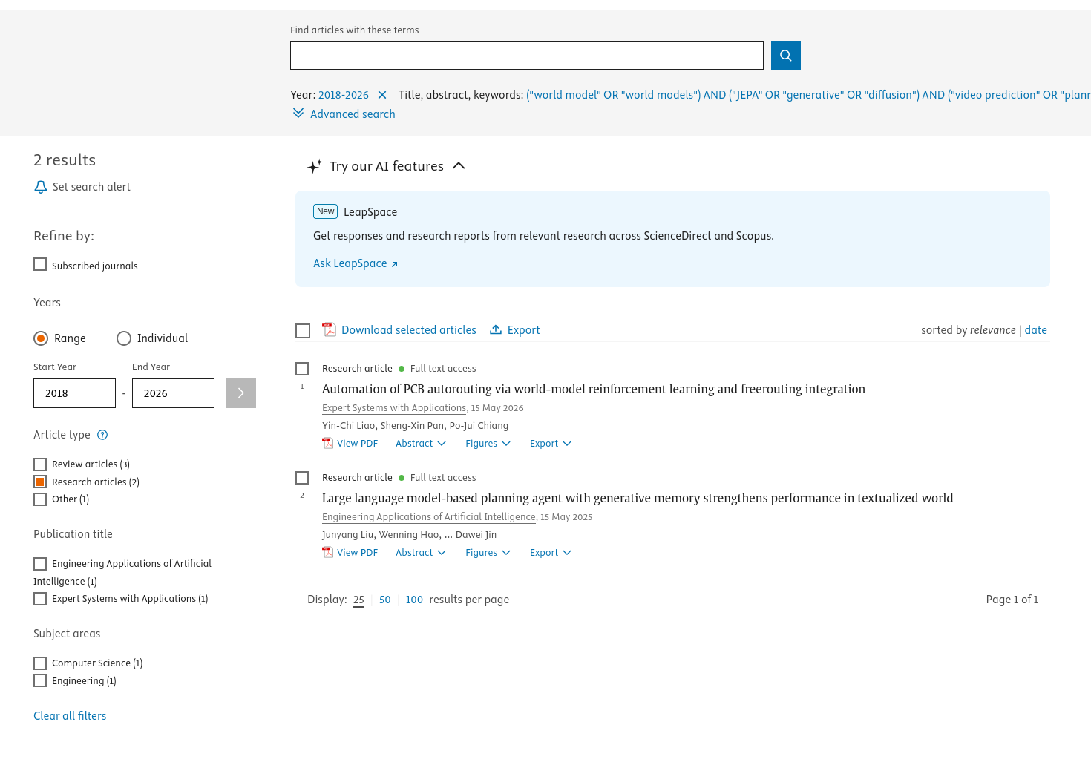
ScienceDirect | ScienceDirect.com | 2026-09-18 | ("world model" OR "world models") AND ("JEPA" OR "generative" OR "diffusion") AND ("video prediction" OR "planning" OR "probing") | Field: Title, abstract, author-specified keywords; Years: 2018–2026; Article types: Research articles | 2 | Kueri 3 kluster (Populasi, Mazhab, dan 3 Downstream Tasks) dengan pembatasan 7 operator Boolean bawaan ScienceDirect. Filter dibatasi murni pada Research articles terbitan Elsevier (jurnal Expert Systems with Applications dan Engineering Applications of Artificial Intelligence); buku, bab buku, dan ensiklopedia dieksklusikan.
Google Scholar | https://scholar.google.com/ | 2026-09-09 | ("world model" OR "world models" OR "latent dynamics model") AND ("JEPA" OR "joint embedding predictive architecture" OR "I-JEPA" OR "V-JEPA" OR "generative world model" OR "diffusion world model") AND ("video prediction" OR "video generation" OR "interactive simulation") | Rentang tahun (Custom range): 2018-2026; opsi "sertakan paten" tidak dicentang; "mencakup kutipan" dicentang (default Google Scholar) | 1630 | Angka "Sekitar 1.630 hasil" adalah ESTIMASI dari Google Scholar, bukan hitungan presisi seperti Scopus/IEEE (nilai ini diketahui bisa berubah antar-load/halaman). Cakupan Scholar jauh lebih luas dan tidak terkurasi dibanding Scopus/IEEE -- ikut menghitung preprint, tesis, dan laporan non-peer-review -- sehingga 1.630 tidak sebanding langsung dengan 132 (Scopus) atau 5 (IEEE). Sesuai protokol (lihat Other Search Methods), Google Scholar diposisikan sebagai pelengkap/snowballing, bukan sumber utama untuk PRISMA count.
ACM Digital Library | https://dl.acm.org | 2026-09-11 | [[All: "world model"] OR [All: "world models"] OR [All: "learned dynamics model"] OR [All: "latent dynamics model"]] AND [[All: "jepa"] OR [All: "joint embedding predictive architecture"] OR [All: "i-jepa"] OR [All: "v-jepa"] OR [All: "generative world model"] OR [All: "diffusion world model"] OR [All: "video generation"] OR [All: "autoregressive video"]] | None (fitur rentang tanggal dibatasi akun premium; batasan tahun 2018–2026 disaring manual saat screening) | 134 | Pencarian pada The ACM Full-Text Collection (861.309 record); 134 dokumen teridentifikasi dan siap diekspor untuk deduplikasi.

Search String Construction

Concept | PICOC Link | Primary Terms | Synonyms / Variants | Final Block
World Model (Dasar) | P | world model | world models; learned dynamics model; latent dynamics model; world modeling | ("world model" OR "world models" OR "learned dynamics model" OR "latent dynamics model")
JEPA Lineage | I | JEPA | joint embedding predictive architecture; I-JEPA; V-JEPA; MC-JEPA | ("JEPA" OR "joint embedding predictive architecture" OR "I-JEPA" OR "V-JEPA")
Generative Lineage | C (Comparison) | generative world model | diffusion world model; autoregressive world model; video diffusion model | ("generative world model" OR "diffusion world model" OR "autoregressive world model")
Downstream Tasks (Outcome) | O | downstream tasks | video prediction; frame prediction; action recognition; representation probing; planning; model-based RL; model-based reinforcement learning | ("video prediction" OR "frame prediction" OR "action recognition" OR "probing" OR "planning" OR "model-based RL" OR "model-based reinforcement learning")
Context (Domain & Simulation) | C (Context) | virtual environment | interactive simulation; digital simulation; visual sequence | ("interactive simulation" OR "virtual environment" OR "visual sequence")

Recommended Search Logic

Within a concept: OR | (term1 OR synonym1 OR synonym2)
Between major concepts: AND | (Population terms) AND (Intervention terms) AND (Outcome terms) | Detailed Search Strategy
Optional concepts | Comparison and Context can be added when they improve precision without unnecessarily excluding relevant studies.

